Bug - Report
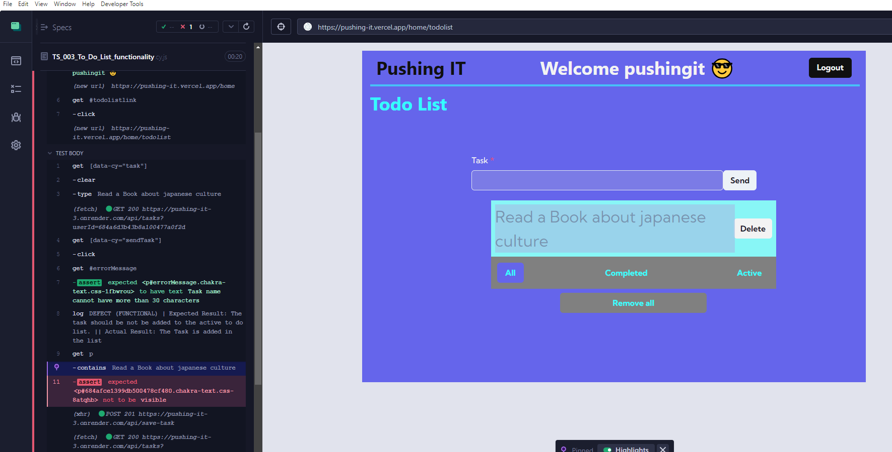
Bug ID | Bug Type | Description/Summary | Steps to Reproduce | Expected Result | Actual Result | WorkAround | Severity | Priority | Screenshot
DEFECT | TS_003 |TC_TDL_003 | Functional | Task name with more than 30 characters can be added in the To Do List | 1. The user is located in the To Do List module. 2. The user types a task with 30 characters or more and clicks the "send task" button. 3. The error message " the task name cannot have more than 30 characters" is displayed. 3. The task is added to the list. | 1. The task should be not be added to the active to do list. 2. Should be displayed a error message where the task name cannot have more than 30 characters | 1. The task can actually be added to the active list | N/A | Low | Low | 